Methodology
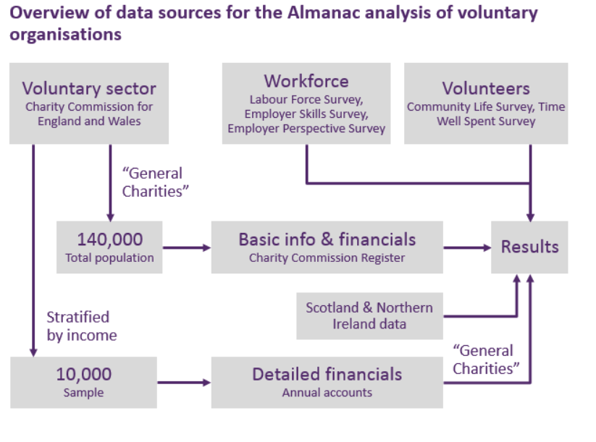
Methodology overview of the UK Civil Society Almanac 2021
The UK Civil Society Almanac, published annually by NCVO, is the definitive reference publication for anybody interested in the voluntary sector, and its role in civil society.
Widely cited by the media, it is used extensively by policy makers and sector leaders.

This gives you some basic information on how we collect data for the Almanac. For more information please see the methodology section on the Almanac.

We estimate the size and scope of the UK voluntary sector, including its finances, using two sources of data: data for all registered charities based on the Charity Commission register, and detailed financial data for a sample of charities using their financial accounts. This core data has been collected by NCVO for over ten years.

(1) Data for the whole population of general charities: The Charity Commission register holds data for all registered charities in England and Wales, including their head office address, area of operation, activities, charitable objects, beneficiaries, and some basic financial information (total income and spending). This data is used to provide basic information on the whole population of charities after we have applied our general charities definition.
(2) Sampling the financial data: Data is obtained for about 10,000 charities by taking their financial accounts and manually inputting them into a database. For the purpose of the Almanac, we then include only those charities that meet the general charities definition. This data is then weighted up to the total population, to provide more detailed information on income sources and types of spending.

Aggregate data for Northern Ireland and Scotland is added in to provide an overall picture for the whole UK.

In addition to the core data on the finances of voluntary organisations, we undertake analysis of regular survey data to produce insights on:
volunteering – using the Community Life Survey from the Department for Digital, Communication, Media and Sports (DCMS), and the Time Well Spent survey by NCVO
the sector’s workforce – using the Labour Force Survey from the Office for National Statistics (ONS), the Employer Skills Survey and the Employer Perspective Survey both run by the Department for Education (previously by the UK Commission for Employment and Skills).
civil society organisations more widely using a range of secondary data sources.

